Currencies
USD | US Dollar
EUR | Euro
GBP | British Pound
INR | Indian Rupee
AUD | Australian Dollar
CAD | Canadian Dollar
SGD | Singapore Dollar
CHF | Swiss Franc
Note:
The UserForm works correctly. However, for today's exchange rate data, the website some times does not make today's exchange rates available depending how soon you do it. I suggest doing calculations for for a minimum of one day before today to avoid errors!
MYR | Malaysian Ringgit
JPY | Japanese Yen
CNY | Chinese Yuan Renminbi
NZD | New Zealand Dollar
THB | Thai Baht
HUF | Hungarian Forint
AED | Emirati Dirham
HKD | Hong Kong Dollar
MXN | Mexican Peso
ZAR | South African Rand
PHP | Philippine Peso
SEK | Swedish Krona
IDR | Indonesian Rupiah
SAR | Saudi Arabian Riyal
BRL | Brazilian Real
TRY | Turkish Lira
KES | Kenyan Shilling
KRW | South Korean Won
EGP | Egyptian Pound
IQD | Iraqi Dinar
NOK | Norwegian Krone
KWD | Kuwaiti Dinar
RUB | Russian Ruble
DKK | Danish Krone
PKR | Pakistani Rupee
ILS | Israeli Shekel
PLN | Polish Zloty
QAR | Qatari Riyal
XAU | Gold Ounce
OMR | Omani Rial
COP | Colombian Peso
CLP | Chilean Peso
TWD | Taiwan New Dollar
ARS | Argentine Peso
CZK | Czech Koruna
VND | Vietnamese Dong
MAD | Moroccan Dirham
JOD | Jordanian Dinar
BHD | Bahraini Dinar
XOF | CFA Franc
LKR | Sri Lankan Rupee
UAH | Ukrainian Hryvnia
NGN | Nigerian Naira
TND | Tunisian Dinar
UGX | Ugandan Shilling
RON | Romanian Leu
BDT | Bangladeshi Taka
PEN | Peruvian Sol
GEL | Georgian Lari
XAF | Central African CFA Franc BEAC
FJD | Fijian Dollar
VEF | Venezuelan Bolívar
VES | Venezuelan Bolívar
BYN | Belarusian Ruble
HRK | Croatian Kuna
UZS | Uzbekistani Som
BGN | Bulgarian Lev
DZD | Algerian Dinar
IRR | Iranian Rial
DOP | Dominican Peso
ISK | Icelandic Krona
XAG | Silver Ounce
CRC | Costa Rican Colon
SYP | Syrian Pound
LYD | Libyan Dinar
JMD | Jamaican Dollar
MUR | Mauritian Rupee
GHS | Ghanaian Cedi
AOA | Angolan Kwanza
UYU | Uruguayan Peso
AFN | Afghan Afghani
LBP | Lebanese Pound
XPF | CFP Franc
TTD | Trinidadian Dollar
TZS | Tanzanian Shilling
ALL | Albanian Lek
XCD | East Caribbean Dollar
GTQ | Guatemalan Quetzal
NPR | Nepalese Rupee
BOB | Bolivian Bolíviano
ZWD | Zimbabwean Dollar
BBD | Barbadian or Bajan Dollar
CUC | Cuban Convertible Peso
LAK | Lao Kip
BND | Bruneian Dollar
BWP | Botswana Pula
HNL | Honduran Lempira
PYG | Paraguayan Guarani
ETB | Ethiopian Birr
NAD | Namibian Dollar
PGK | Papua New Guinean Kina
SDG | Sudanese Pound
MOP | Macau Pataca
NIO | Nicaraguan Cordoba
BMD | Bermudian Dollar
KZT | Kazakhstani Tenge
PAB | Panamanian Balboa
BAM | Bosnian Convertible Mark
GYD | Guyanese Dollar
YER | Yemeni Rial
MGA | Malagasy Ariary
KYD | Caymanian Dollar
MZN | Mozambican Metical
RSD | Serbian Dinar
SCR | Seychellois Rupee
AMD | Armenian Dram
SBD | Solomon Islander Dollar
AZN | Azerbaijan Manat
SLL | Sierra Leonean Leone
TOP | Tongan Pa'anga
BZD | Belizean Dollar
MWK | Malawian Kwacha
GMD | Gambian Dalasi
BIF | Burundian Franc
SOS | Somali Shilling
HTG | Haitian Gourde
GNF | Guinean Franc
MVR | Maldivian Rufiyaa
MNT | Mongolian Tughrik
CDF | Congolese Franc
STN | Sao Tomean Dobra
TJS | Tajikistani Somoni
KPW | North Korean Won
MMK | Burmese Kyat
LSL | Basotho Loti
LRD | Liberian Dollar
KGS | Kyrgyzstani Som
GIP | Gibraltar Pound
XPT | Platinum Ounce
MDL | Moldovan Leu
CUP | Cuban Peso
KHR | Cambodian Riel
MKD | Macedonian Denar
VUV | Ni-Vanuatu Vatu
MRU | Mauritanian Ouguiya
ANG | Dutch Guilder
SZL | Swazi Lilangeni
CVE | Cape Verdean Escudo
SRD | Surinamese Dollar
XPD | Palladium Ounce
SVC | Salvadoran Colon
BSD | Bahamian Dollar
XDR | IMF Special Drawing Rights
RWF | Rwandan Franc
AWG | Aruban or Dutch Guilder
DJF | Djiboutian Franc
BTN | Bhutanese Ngultrum
KMF | Comorian Franc
WST | Samoan Tala
SPL | Seborgan Luigino
ERN | Eritrean Nakfa
FKP | Falkland Island Pound
SHP | Saint Helenian Pound
JEP | Jersey Pound
TMT | Turkmenistani Manat
TVD | Tuvaluan Dollar
IMP | Isle of Man Pound
GGP | Guernsey Pound
ZMW | Zambian Kwacha

Tests - Proof
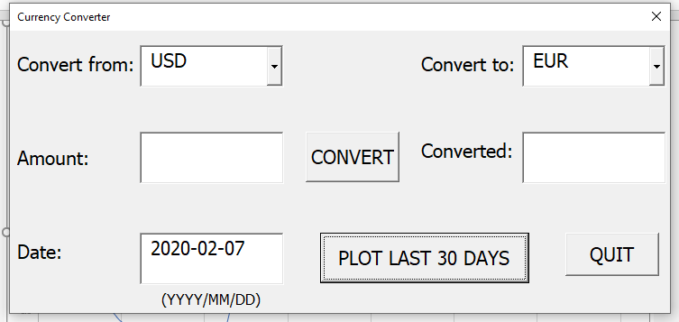
Test Conversion
Date:2020-02-07
Conversion: USD to IQD
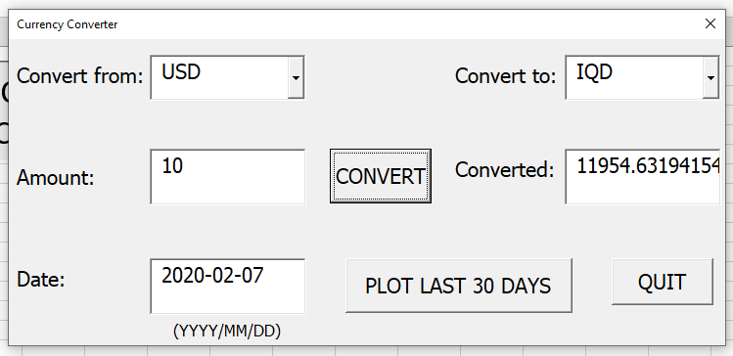

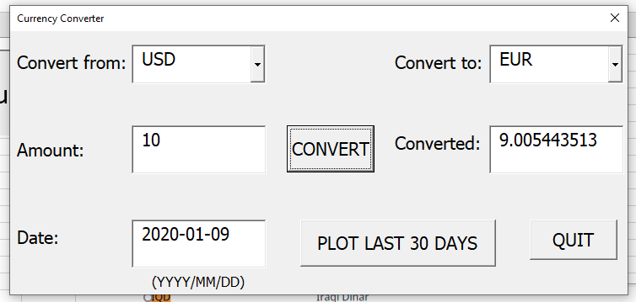
Test Conversion
Date:2020-01-09
Conversion: USD to EUR

Test Conversion
Date:2020-02-08
Conversion: INR to EGP
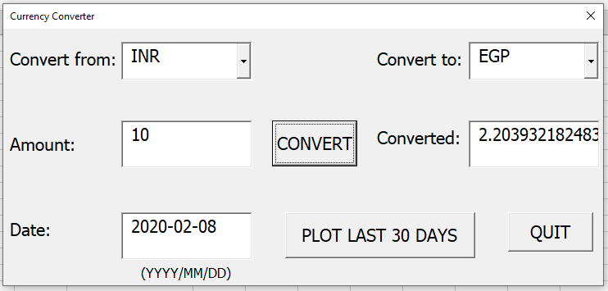

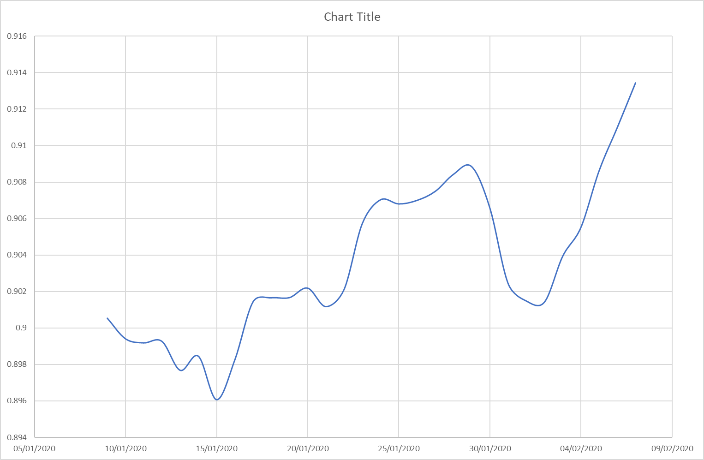
Test Plot:
Date:2020-02-07 and 30 days before
Conversion: USD to EUR

Chart15
10/9/2021 | 0.013297515565
10/10/2021 | 0.01330430501
10/11/2021 | 0.013255505773
10/12/2021 | 0.01325226938
10/13/2021 | 0.013276392901
10/14/2021 | 0.013321114527
10/15/2021 | 0.013338233679
10/16/2021 | 0.01332148653
10/17/2021 | 0.013326536101
10/18/2021 | 0.013277690047
10/19/2021 | 0.013315511895
10/20/2021 | 0.013363441644
10/21/2021 | 0.013371474739
10/22/2021 | 0.013342014101
10/23/2021 | 0.013330095517
10/24/2021 | 0.013332501046
10/25/2021 | 0.013324847198
10/26/2021 | 0.013342742791
10/27/2021 | 0.013329348438
10/28/2021 | 0.013371528524
10/29/2021 | 0.013333729156
10/30/2021 | 0.013344691826
10/31/2021 | 0.013346200187
11/1/2021 | 0.01336286532
11/2/2021 | 0.013397618231
11/3/2021 | 0.013416592435
11/4/2021 | 0.013415625266
11/5/2021 | 0.013472421932
11/6/2021 | 0.013478130516
11/7/2021 | 0.0134772573

